Identifying Methods
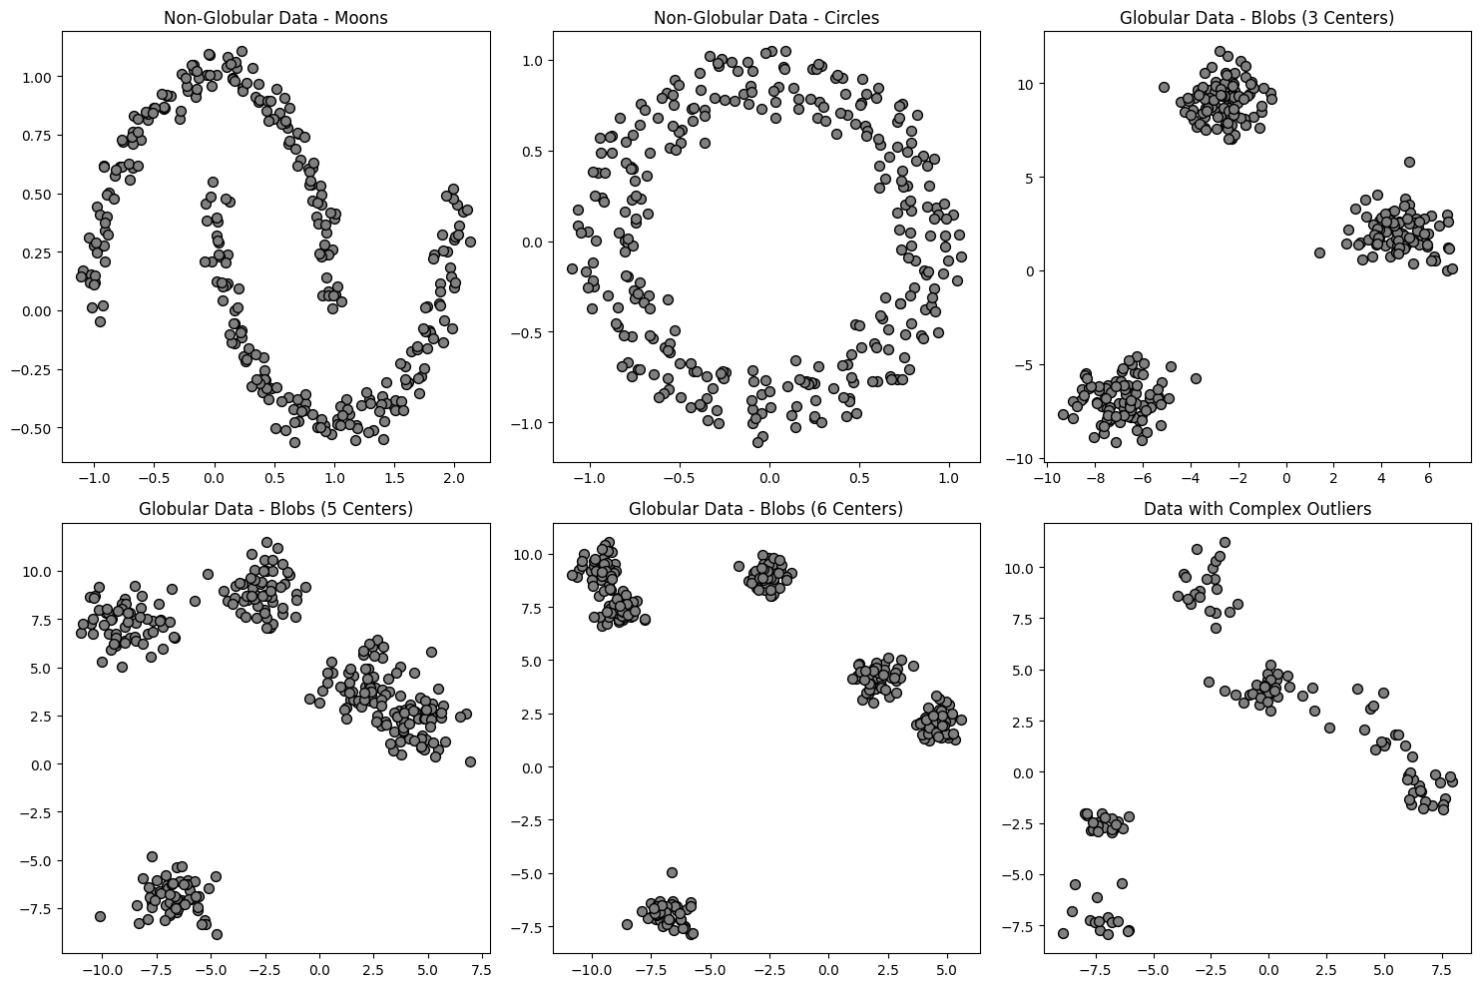
Write your answers in the corresponding boxes

